1. Title Page
Project Name: Instacart Grocery Basket Analysis
Date: December 19th, 2022
Analyst Name: E R

Contents:
Population Flow
Consistency checks
Wrangling steps
Column derivations
Visualizations
Recommendations

Data source: The Instacart Online Grocery Shopping Dataset 2017, Accessed from https://www.instacart.com/datasets/grocery-shopping-2017 on December 19th, 2022

2. Population Flow
 | Title page

Population flow

Orders_products_combined
Orders_products_merged
Orders_products_all

Total: 32404859, 17
Total: 32434489, 12
Total: 32404854, 24

Exclusion flag
Condition: max_order < 5
Obervations to be removed: 7989977
Final total count of order_products_all: 24414877

3. Consistency checks
 |  |  | Title page
Consistency checks

Dataset | Missing values | Missing values treatment | Duplicates
products | 16 values in product_name | Deleted | 5 duplicated rows, deleted
orders | 206209 values in days_since_prior_order | Kept as is. Data is correct (NaNs correspond to first orders) | No duplicates
departments | No missing values | / | No duplicates
orders_products_prior | No missing values | / | No duplicates
customers | 11259 missing values in first_name | Kept as is. Can still identify customers by user_id and second_name | No duplicates

4. Wrangling steps
 |  |  | Title page
Wrangling steps

Columns dropped | Columns renamed | Columns' type changed | Comment/Reason
orders.csv
eval_set | / | / | Not necessary for our analysis
/ | order_dow renamed to order_day_of_week | / | Changed name to make it self-explanatory
/ | order_number renamed to number_of_orders | / | Changed name to make it self-explanatory
/ | / | order_id type changed to object | This is more appropriate as it's an ID
/ | / | user_id type changed to object | This is more appropriate as it's an ID
products.csv
/ | / | product_id type changed to object | This is more appropriate as it's an ID
/ | / | aisle_id type changed to object | This is more appropriate as it's an ID
/ | / | department_id type changed to object | This is more appropriate as it's an ID
/ | prices renamed to price | / | Changed name to align (all columns habe sigular names)
departments.csv
Transposed dataframe | / | / | Transformed to use it as a data dictionary to catregorize departments
customers.csv
/ | First Name renamed to first_name | / | Changed name to follow naming conventions
/ | Surnam renamed to second_name | / | Changed name to follow naming conventions
/ | Gender renamed to gender | / | Changed name to follow naming conventions
/ | STATE renamed to state | / | Changed name to follow naming conventions
/ | Age renamed to age | / | Changed name to follow naming conventions
date_joined | / | / | Not necessary for our analysis
/ | / | user_id type changed to object | This is more appropriate as it's an ID
Final file: orders_products_customers.pkl
add_to_cart_order | / | / | Not necessary for our analysis/needed to shrink file to be able to use it
reordered | / | / | Not necessary for our analysis/needed to shrink file to be able to use it
aisle_id | / | / | Not necessary for our analysis/needed to shrink file to be able to use it
_merge | / | / | Unnecessary column created when merging data sets
first_name | / | / | Removed for privacy reasons
second_name | / | / | Removed for privacy reasons

5. Column derivations
 |  |  | Title page

Column derivations and aggregations

Dataset | New column | Column/s it was derived from | Conditions
orders_products_merged | price_range | price | Assign High, Medium and Low flag when price is, respectively, < 5, between 5 and 15, and > 15 USD
orders_products_merged | busy_day | order_day_of_week | Assign Busiest day, Least busy, and Regularly busy to, respectively, the day with the most orders, the one with the least, and all the other days
orders_products_merged | busiest_period_of_day | order_hour_of_day | Assign Most orders, Average Orders, and Fewest orders to, respectively, the 8 hours when most orders where made, the mid 8 hours, and the 8 hours when the least orders were made. There's 24 hours in a day so it's been divided equally in three categories
orders_products_merged | loyalty_flag | customer_id, order_number(max) | Assign Loyal customer, Regular customer, and New customer when the max number of orders is, respectively, > 40, between 40 and 10, and <= 10
orders_products_merged | spend_flag | customer_id, price(mean) | Assign Low spender if avg_spend < 10 and High spender if avg_spend >= 10
orders_products_merged | frequency_flag | customer_id, days_since_prior_order(median) | Assign Non-frequent customer if median > 20, Regular customer if median between 20 and 10, and Frequent customer if median <= 10
df_ords_prods_custs | region | state | Grouped US states under West, Midewest, South and Northeast
df_ords_prods_custs | cust_prof | n_dependants | Assigned Single, Couple and With children to customers with, respectively, 0 dependants, 1 dependant and 2 or 3 dependants

6. Visualizations
 |  | Title page

Visualisations

What are the busiest days of the week?
Please note that the numbers 0 to 6 on the x axis represent the days of the week, starting from Sat = 0.
As we can see from the chart below, the day with the most orders is Sat, followed closely by Sun. The number of orders then drops significantly Mon to Wed, and starts picking up again on Thu and Fri.



What are the busiest hours of the day?
The histogram shows that during the night (midnight to 6 am) there are the fewest orders. The orders start to pick up gradually after that, reaching a peak at 10 am and staying relatively stable till 3 pm. Orders start to decline after that and continue a downward trend for the whole evening, reaching a minimum between 11 pm and midnight.



At what hour(s) of the day do customers spend more?
Interestingly customers spend more during the night (between midnight and 5 am) even though, as we saw in the previous chart, they make less orders compared to daytime and even evening.

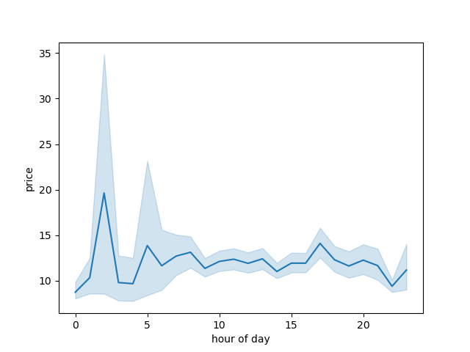

What departments sell the most products?
By using the data dictionary on the right we can connect the department IDs to their names. We can then see that produce is the most frequently ordered product type by far, followed by dairy/eggs. Snacks, beverages, frozen and pantry follow with similar frequencies. The least ordered products belong to international, alcohol and pets. For this analysis we are not taking into account missing (21), other (2) and bulk (10). They can be disregared as they don't add much to our analysis and are a minuscule amount compared to the total data set.
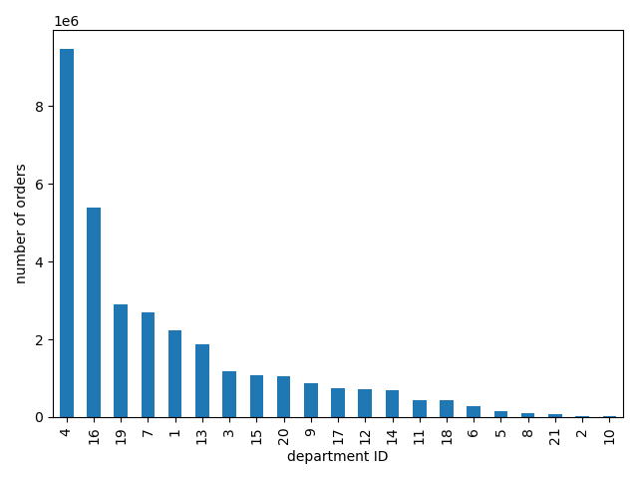
 | department_id | department
 | 1 | frozen
 | 2 | other
 | 3 | bakery
 | 4 | produce
 | 5 | alcohol
 | 6 | international
 | 7 | beverages
 | 8 | pets
 | 9 | dry goods pasta
 | 10 | bulk
 | 11 | personal care
 | 12 | meat seafood
 | 13 | pantry
 | 14 | breakfast
 | 15 | canned goods
 | 16 | dairy eggs
 | 17 | household
 | 18 | babies
 | 19 | snacks
 | 20 | deli
 | 21 | missing

What’s the distribution among users in regards to their brand loyalty?
As we see from the bar chart, the smallest category is new customers. Loyal ones are the second largest group and most customers are regulars.

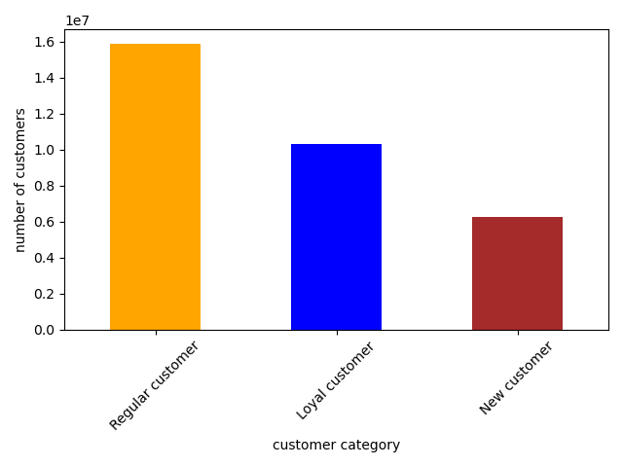

Are there differences in ordering/spending habits based on a customer’s loyalty status?
As we can see from the charts below, loyal customers are responsible for most of the orders, but spend in total less than regular customers. As expected, new customers place the fewest orders. However, they don't spend much less than loyal customers.

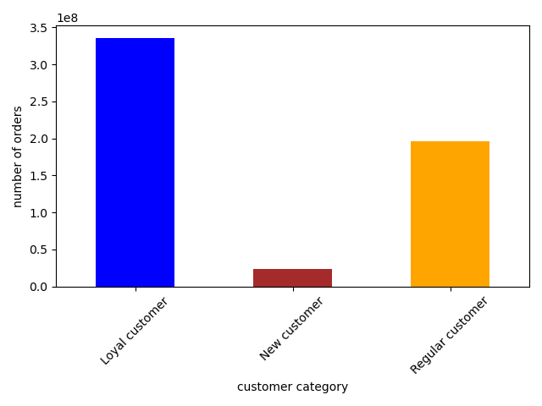
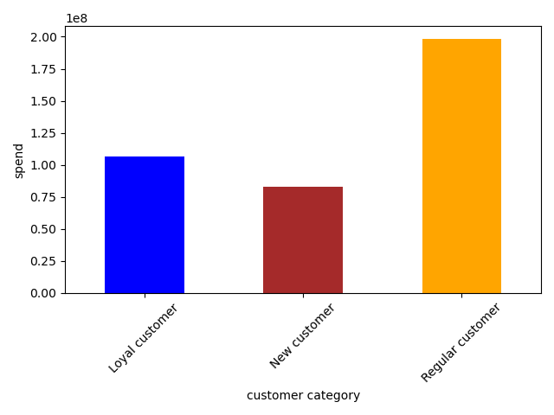

Are there differences in spending habits based on a customer’s region?
Customers in the South spend the most, followed my the Midwest and West with relatively close values. The Northeast comes in last with significantly less revenue.

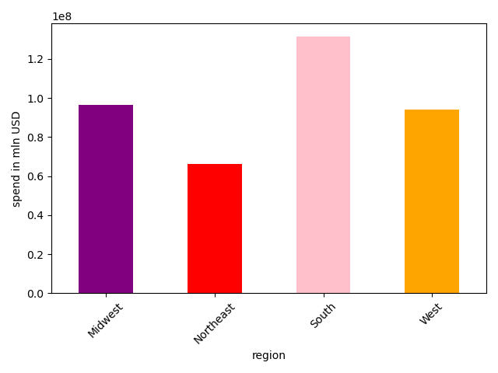
 | US Region | Spend in mln USD
 | Midwest | 96603659
 | Northeast | 66126200
 | South | 131613228
 | West | 93874399

What's the family structure (customer profile) of our customers?
The bar chart below shows that the vast majority of Instacart's customers have a partner and one or two children. The remaining housholds are quite evenly split between singles and couples.

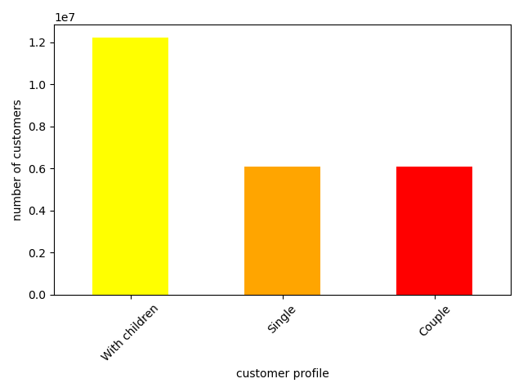

How does family structure (customer profile) vary across regions
The customers with children are predominant across all regions, and both singles and couples have a similar distribution. The data at a regional level reflects the national distribution seen above.

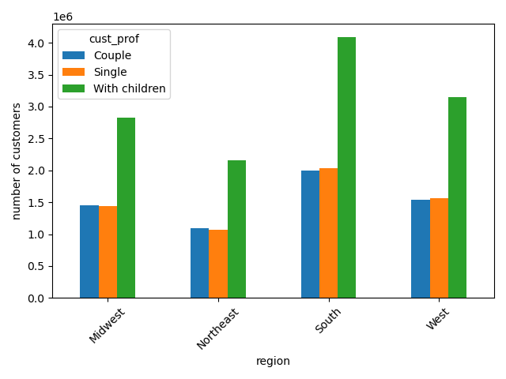

How does family structure (customer profile) influence buying habits?
By using the data dictionary on the right we can connect the department IDs to their names. Data by customer profile confirms nationwide data analyzed before. Across all three customer profiles the most ordered products belong to produce (4), dairy/eggs (16), and snacks (19).

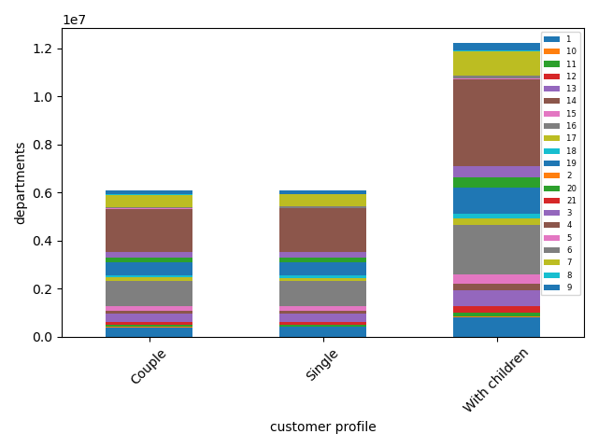
 | department_id | department
 | 1 | frozen
 | 2 | other
 | 3 | bakery
 | 4 | produce
 | 5 | alcohol
 | 6 | international
 | 7 | beverages
 | 8 | pets
 | 9 | dry goods pasta
 | 10 | bulk
 | 11 | personal care
 | 12 | meat seafood
 | 13 | pantry
 | 14 | breakfast
 | 15 | canned goods
 | 16 | dairy eggs
 | 17 | household
 | 18 | babies
 | 19 | snacks
 | 20 | deli
 | 21 | missing

7. Recommendations
 |  |  | Title page

Recommendations

Question | Answer | Viz/More Info | Recommendations
What are the busiest days of the week? | Saturday and Sunday | Viz 1 bar chart | >> Invest in adv to in increase orders Mo to Fr. >> Monitor website/inventory on busy days to make sure response is quick and there are no lags.
What are the busiest hours of the day? | Between 10 am and 3 pm | Viz 2 histogram | >> Invest in adv to increase orders in late afternoon/evening as there is potential/space for more orders.
At what hour(s) of the day do customers spend more? | Between midnight and 5 am | Viz 3 line chart | >> Offer discounts/loyalty programmes to customers ordering at night (it's less busy by nature and they already spend quite a lot).
What departments sell the most products? | Produce, dairy/eggs and snacks | Viz 4 bar chart | >> Invest in adv for snacks, beverages, frozen and pantry as there is potential for increased orders. >> Further analyze data by region, customer profile, and any other useful metric to diversify approach per segment.
What’s the distribution among users in regards to their brand loyalty? | Most are regulars, then loyal, followed by new | Viz 5 bar chart | >> Develop programmes to transform new customers into regular customers, are they are those bringing in the most revenue.
Are there differences in ordering/spending habits based on a customer’s loyalty status? | Regular customers are the biggest spenders while loyal customers place most orders | Viz 6/7 bar charts
Are there differences in spending habits based on a customer’s region? | South spends most, the Midewest and West, smallest spender is Northeast | Viz 8 bar chart | >> Check which products are mostly ordered in each region and invest in expanding those segments. >> Check what type of customers spend more in each region and invest in expanding those segments.
What's the family structure (customer profile) of our customers? | The majority of customers have children | Viz 9 bar chart | >> Develop offers/loyalty programmes for those with children.
How does family structure (customer profile) vary across regions | Regional data reflects nationwide data | Viz 10 bar chart | >> Invest in adv for customer profiles that have potential.
How does family structure (customer profile) influence buying habits? | Data by customer profile reflects nationwide data | Viz 11 stacked bar chart | >> Invest in adv for product categories that have potential.

